PicStyles

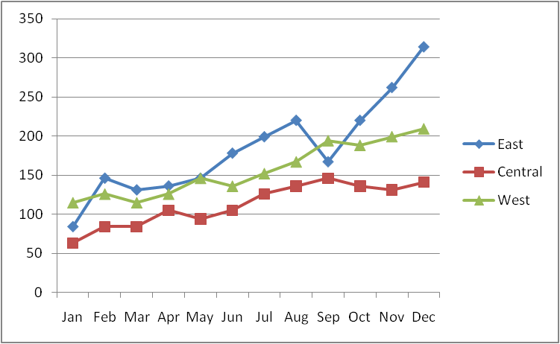

No Obstacles - Sport Division
Domestic Sales - Millions of Dollars
 |  | East | Central | West
 | Jan | 84 | 63 | 115
 | Feb | 146 | 84 | 126
 | Mar | 131 | 84 | 115
 | Apr | 136 | 105 | 126
 | May | 146 | 94 | 146
 | Jun | 178 | 105 | 136
 | Jul | 199 | 126 | 152
 | Aug | 220 | 136 | 167
 | Sep | 167 | 146 | 194
 | Oct | 220 | 136 | 188
 | Nov | 262 | 131 | 199
 | Dec | 314 | 141 | 209
 | Total | 2,203 | 1,351 | 1,873

Borders
No Obstacles - Sport Division
Domestic Sales - Millions of Dollars
 |  | East | Central | West
 | Jan | 84 | 63 | 115
 | Feb | 146 | 84 | 126
 | Mar | 131 | 84 | 115
 | Apr | 136 | 105 | 126
 | May | 146 | 94 | 146
 | Jun | 178 | 105 | 136
 | Jul | 199 | 126 | 152
 | Aug | 220 | 136 | 167
 | Sep | 167 | 146 | 194
 | Oct | 220 | 136 | 188

 | Nov | 262 | 131 | 199
 | Dec | 314 | 141 | 209
 | Total | 2,203 | 1,351 | 1,873

